Sheet1
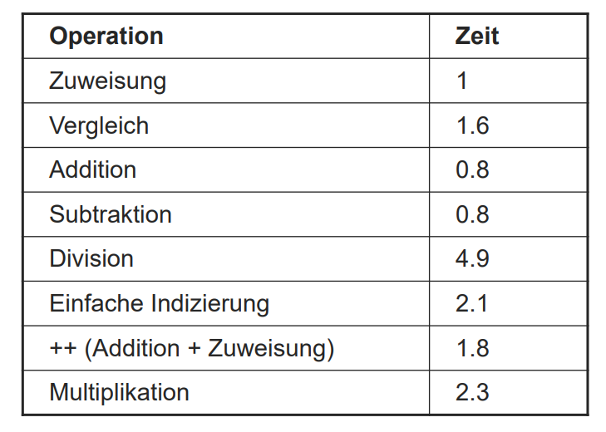
O(n)
simplePower Lines | Anzahl | Dauer | Const | u
p = 1 | 1 | 1 | 1
for(i = 1; | 1 | 1 | 1
i <= n; | u + 1 | 1.6 | 1.6 | 1.6u
i++) { | u | 1.8 |  | 1.8u
p = p * x} | u | 3.3 |  | 3.3u
 |  |  | 3.6 | 6.7

O(log2(n))
quickPower Lines | Anzahl | Dauer | Const | u | v
p = 1 | 1 | 1 | 1
while (n > 0) { | u+1 | 1.6 | 1.6 | 1.6u
if ( n mod 2 != 0 ) { | u | 6.6 |  | 6.6u
p = p * x} | v | 3.3 |  |  | 3.3v
n = n / 2 | u | 5.9 |  | 5.9u
x = x * x} | u | 3.3 |  | 3.3u
 |  |  | 2.6 | 17.4 | 3.3

n | u | v | Zeit simpleP
1 | 1 |  | 10.3
10 | 9 |  | 63.9
100 | 99 |  | 666.9
1000 | 999 |  | 6696.9
10000 | 9999 |  | 66996.9

n | u | v = u/3 (Annahme) | Zeit quickP
1 | 1 | 1 | 23.3
10 | 4 | 1 | 75.5
100 | 7 | 2 | 131
1000 | 10 | 3 | 186.5
10000 | 14 | 5 | 262.7

